Hoja1
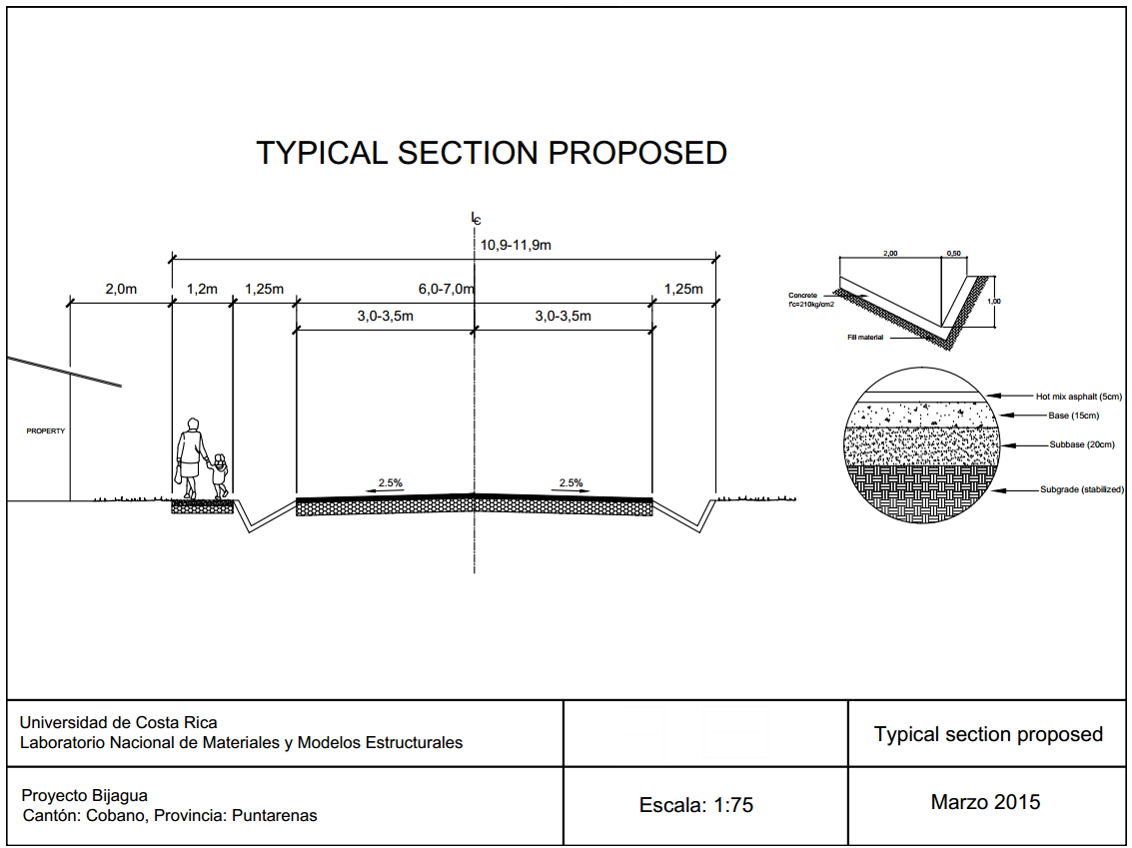
School name | Subbase (m3) | Base (m3) | Hot mix asphalt (tons) | Concrete curbs (m2) | Subgrade Conformation (m2) | Length to improve (m)
Santa Teresa | 173 | 130 | 104 | 483.8 | 864 | 144
San Isidro | 227 | 170 | 137 | 635.0 | 1134 | 189
Malpais | 202 | 152 | 122 | 567.8 | 1014 | 169
Hermosa | 263 | 197 | 158 | 735.8 | 1314 | 219
Futuro Verde | 263 | 197 | 158 | 735.8 | 1314 | 219
Delicias | 310 | 279 | 186 | 866.9 | 1548 | 258
Cabuya | 209 | 157 | 126 | 584.6 | 1044 | 174
TOTAL | 1647 | 1282 | 991 | 4609.9 | 8232 | 1372
Unit Cost ($) | $37.00 | $52.00 | $96.00 | $34.00 | $0.50 | ----------
TOTAL COST ($) | $60,939.00 | $66,664.00 | $95,136.00 | $156,737.28 | $4,116.00 | $383,592.28

